Sheet2
Find Pressure Drop |  |  |  |  |  | Requirements
length | 5.6 | in | 0.14224 |  |  | mdot ox | 4.8
diameter | 0.56 | in | 0.014224 |  |  | mdot fuel | 3.6
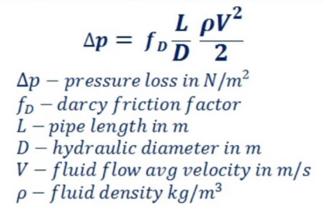
density |  |  | 1000 | kg/m3
mdot |  |  | 4.8 | kg/s
Q |  |  | 0.0048 | m3/s
area |  |  | 0.00015890383703 | m2
avg velocity |  |  | 30.21 | m/s
g |  |  | 9.81 | N/kg

viscosity |  |  | 0.0010518 | Pa-s
Reynolds |  |  | 408503.16936 |  | turbulent
Darcy f |  |  | 0.02 |  | turbulent smooth pipes

dp | 13.237757733 | psi | 91245.972946 | Pa

Find Max Mass Flow
dp atm |  |  | 101325 | Pa
max v |  |  | 31.831588085 | m/s
max Q |  |  | 0.0050581614854 | m3/s
max mdot |  |  | 5.0581614854 | kg/s

number of inlets |  |  | 1

full mdot |  |  | 5.0581614854 | kg/s

